Template Month
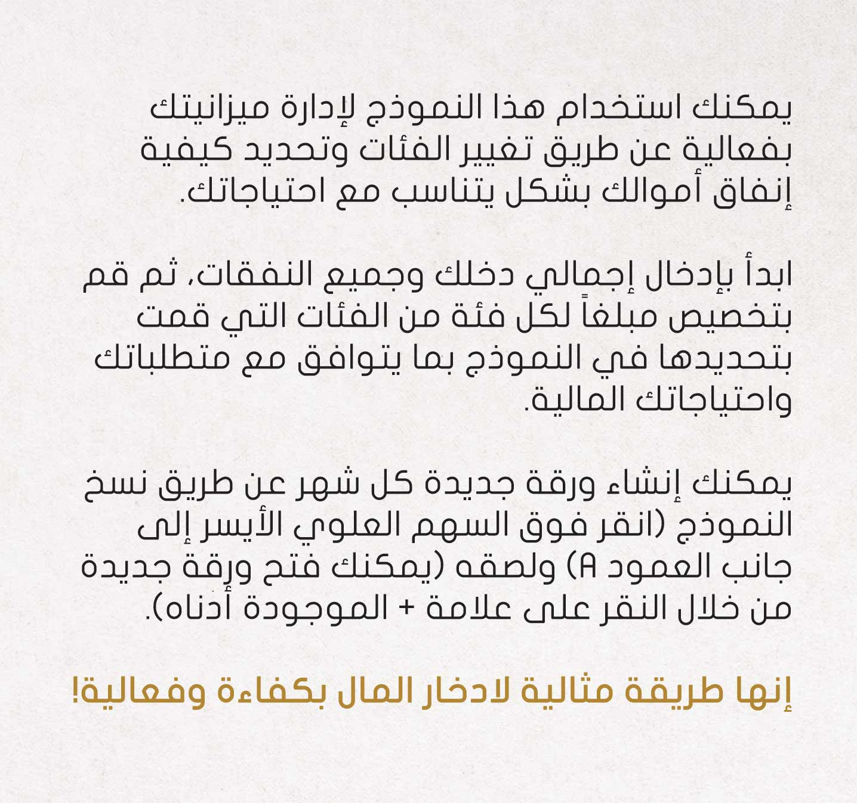
MY MONTHLY FINANCES
MY CASHFLOW |  | MY SAVINGS
 | Income
 | 10,000.00
 |  |  | Saving 1 | 25% | 270.00
 | Expenses |  | Emergency Fund | 30% | 324.00
 | 8,920.00 |  | Debt Plan | 20% | 216.00
 |  |  | Saving 2 | 25% | 270.00
 | Savings
 | 1,080.00 |  | Total | 100% | 1,080.00

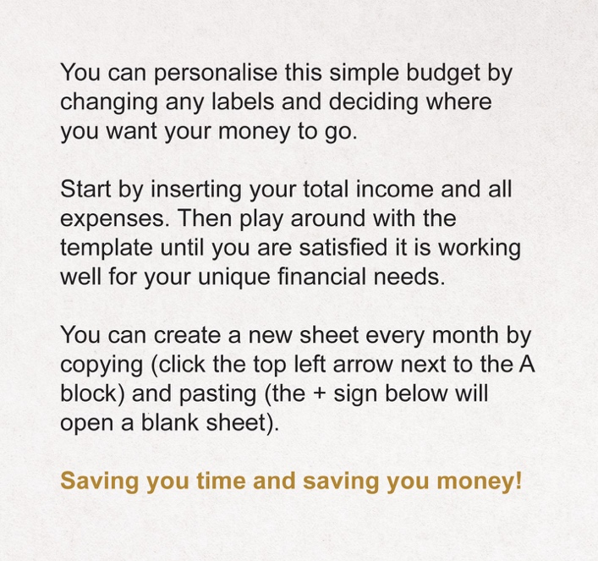
 | MY EXPENSES
 | Rent or mortage |  |  |  |  |  | 3,000.00
 | Utilities |  |  |  |  |  | 500.00
 | Phone |  |  |  |  |  | 200.00
 | Internet |  |  |  |  |  | 300.00
 | Car repayments |  |  |  |  |  | 1,200.00
 | Fuel |  |  |  |  |  | 400.00
 | Insurance |  |  |  |  |  | 250.00
 | Metro/bus/taxis |  |  |  |  |  | 200.00
 | Health Care |  |  |  |  |  | 120.00
 | Schooling |  |  |  |  |  | 500.00
 | Credit Cards |  |  |  |  |  | 200.00
 | Groceries |  |  |  |  |  | 2,000.00
 | Gifts & Charity |  |  |  |  |  | 50.00
 | Add others
 | Add others
 | Add others
 | Add others
 | Add others
 | Add others

 |  |  |  |  |  | Total Expenses | 8,920.00

